Sheet1
Go to Admin Center. In search field at top right, enter "Change Audit Reports". Click on the link that appears.

Click on 'Create Personal Data Report'

Click the 'Person Search' tile.
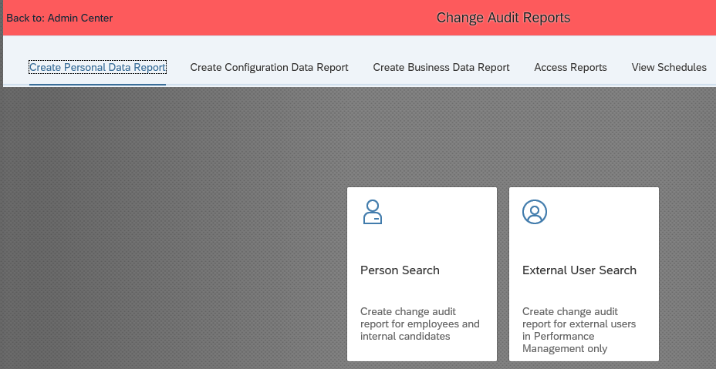

Select the employee (the Person field is a search field, just type in the name and click the employee when the list pops up).

Choose the module needed for the audit from the drop down list (in this case 'Performance Management')
You could run an audit on multiple modules - or if left blank, SF will audit all modules.

Using the calendar icons, choose your time range, but only a week at most**.
Include extra time before and after the date you expect a change to have occurred.

** Success Factors will not allow a range greater than 7 days and some changes cannot be audited for 3 days (72 hours).

Some types of change audit data can take up to 72 hours to be made ready for reporting. Solutions impacted by this delay include: Compensation (except Rewards and Recognition), Performance and Goals (except Continuous Performance Management), Succession and Development (except Mentoring), Employee Profile, User Management, Proxy Management, and Role-Based Permissions.. For these solutions, you should wait for three days after the desired date range before you run the audit report. Otherwise, recent changes may not appear or the report may be blank. For example, if you want to run a report on changes made from September 3-5, wait until at least September 9 to run the report

More info on audit reporting can be found on the webpage:
https://help.sap.com/viewer/aa29750300924467b799dedf0a4cbc37/2005/en-US/b5ff3f5ffd2b444fbf79531dff5df484.html
When all fields have been entered, click 'Submit'.
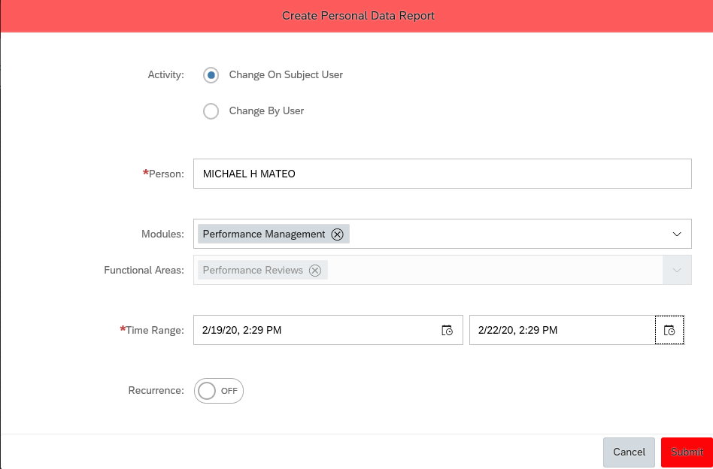

To see the reports you ran, click the 'Access Reports' link.

A running man icon in the Status column means the report is still being prepared. A checkmark means it's done.
Click the refresh icon until your report shows it has completed.

When it is done, the Action column gives you two icons. The 1st is to download the report…the 2nd to delete it.

Note: some audit trail results will be due to system calculations, such as when comp forms are moved to completion.

